BOM
Item | Part Number | REV | Stock Number | Thumbnail | BOM Structure | Description | Material | Title | QTY | D | t | L
1 | 2500-99-BG086-01 | - |  | 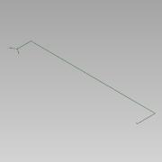 | Normal |  |  |  | 1
1.1 | 0000-710-001 | - |  | 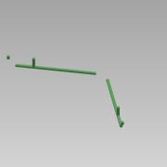 | Normal | PE100 Pipe - DN350-Ø355,0xSDR17 L=21346 | PE100 |  | 1 | 355,0 | 20,9 | 21346
1.2 | 0000-710-050 | - |  | 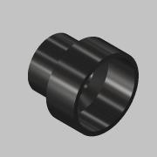 | Purchased | Reducer - DN500-Ø500_DN350-Ø355 - SDR17 | PE100 |  | 2
1.3 | 0000-710-031 | - |  | 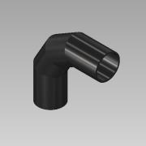 | Purchased | Elbow 90° Segmented - DN350-Ø355 - SDR17 | PE100 |  | 2 | 355,0 | 21
1.4 | 0000-710-010 | - |  | 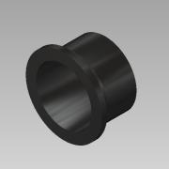 | Purchased | Stub end - DN350-Ø355 - SDR17 | PE100 |  | 4
1.5 | 0000-710-020 | - |  | 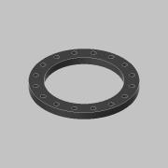 | Purchased | Flange - DN350/Ø355 - PN10 | PP |  | 4
1.6 | 0000-710-040 |  |  | 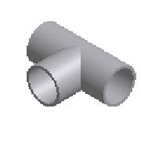 | Purchased | Tee - DN350-Ø355 - SDR17 | PE100 |  | 2 |  | 20,882 mm
1.7 | 0000-710-001 | - |  |  | Normal | PE100 Pipe - DN500-Ø500,0xSDR17 L=287954 | PE100 |  | 1 | 500,0 | 29,4 | 287954
1.8 | 0000-710-001 | - |  | 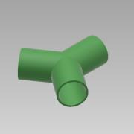 | Normal | PE100 Pipe - DN500-Ø500,0xSDR17 L=407 | PE100 |  | 1 | 500,0 | 29,4 | 407
1.9 | 0000-710-031 | - |  | 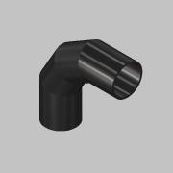 | Purchased | Elbow 90° Segmented - DN500-Ø500 - SDR17 | PE100 |  | 2 | 500,0 | 29
1.10 | 0000-710-010 | - |  | 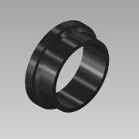 | Purchased | Stub end - DN500-Ø500 - SDR17 | PE100 |  | 1
1.11 | 0000-710-020 | - |  | 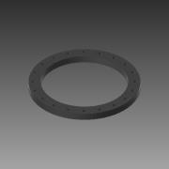 | Purchased | Flange - DN500/Ø533 - PN10 | PP |  | 1
2 | 2500-99-BG087-01 | - |  | 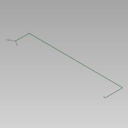 | Normal |  |  |  | 1
2.1 | 0000-710-001 | - |  |  | Normal | PE100 Pipe - DN500-Ø500,0xSDR17 L=407 | PE100 |  | 1 | 500,0 | 29,4 | 407
2.2 | 0000-710-050 | - |  |  | Purchased | Reducer - DN500-Ø500_DN350-Ø355 - SDR17 | PE100 |  | 2
2.3 | 0000-710-031 | - |  |  | Purchased | Elbow 90° Segmented - DN350-Ø355 - SDR17 | PE100 |  | 2 | 355,0 | 21
2.4 | 0000-710-010 | - |  |  | Purchased | Stub end - DN350-Ø355 - SDR17 | PE100 |  | 4
2.5 | 0000-710-020 | - |  |  | Purchased | Flange - DN350/Ø355 - PN10 | PP |  | 4
2.6 | 0000-710-040 |  |  |  | Purchased | Tee - DN350-Ø355 - SDR17 | PE100 |  | 2 |  | 20,882 mm
2.7 | 0000-710-031 | - |  |  | Purchased | Elbow 90° Segmented - DN500-Ø500 - SDR17 | PE100 |  | 2 | 500,0 | 29
2.8 | 0000-710-001 | - |  |  | Normal | PE100 Pipe - DN350-Ø355,0xSDR17 L=21416 | PE100 |  | 1 | 355,0 | 20,9 | 21416
2.9 | 0000-710-001 | - |  | 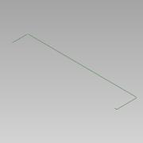 | Normal | PE100 Pipe - DN500-Ø500,0xSDR17 L=222153 | PE100 |  | 1 | 500,0 | 29,4 | 222153
2.10 | 0000-710-010 | - |  |  | Purchased | Stub end - DN500-Ø500 - SDR17 | PE100 |  | 1
2.11 | 0000-710-020 | - |  |  | Purchased | Flange - DN500/Ø533 - PN10 | PP |  | 1
4 | 2500-99-BM001-01 |  |  | 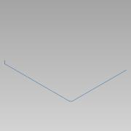 | Normal |  |  |  | 1
4.1 | 0000-710-001 | - |  | 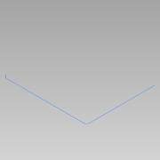 | Normal | PE100 Pipe - DN100-Ø125,0xSDR17 L=67350 | PE100 |  | 1 | 125,0 | 7,4 | 67350
4.2 | 0000-710-031 | - |  | 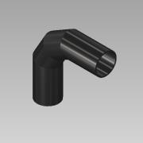 | Purchased | Elbow 90° Segmented - DN100-Ø125 - SDR17 | PE100 |  | 1 | 125,0 | 7,4 | 1
4.3 | 0000-710-010 |  |  | 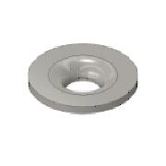 | Purchased | Stub end - DN100/Ø125 - SDR17 | PE100 |  | 1
4.4 | 0000-710-020 |  |  | 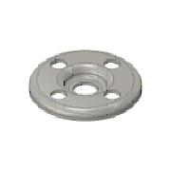 | Purchased | Flange - DN100/Ø125 - PN10/16 | PP |  | 1
4.5 | 0000-710-031 | - |  | 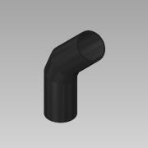 | Purchased | Elbow 45° Segmented - DN100-Ø125 - SDR17 | PE100 |  | 2 | 125,0 | 7,4 | 1
5 | 2500-99-BM002-01 |  |  | 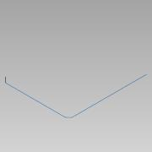 | Normal |  |  |  | 2
5.1 | 0000-710-001 | - |  | 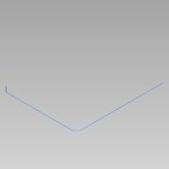 | Normal | PE100 Pipe - DN100-Ø125,0xSDR17 L=58118 | PE100 |  | 1 | 125,0 | 7,4 | 58118
5.2 | 0000-710-031 | - |  |  | Purchased | Elbow 90° Segmented - DN100-Ø125 - SDR17 | PE100 |  | 1 | 125,0 | 7,4 | 1
5.3 | 0000-710-010 |  |  |  | Purchased | Stub end - DN100/Ø125 - SDR17 | PE100 |  | 1
5.4 | 0000-710-020 |  |  |  | Purchased | Flange - DN100/Ø125 - PN10/16 | PP |  | 1
5.5 | 0000-710-031 | - |  |  | Purchased | Elbow 45° Segmented - DN100-Ø125 - SDR17 | PE100 |  | 2 | 125,0 | 7,4 | 1
6 | 2500-99-BM003-01 |  |  | 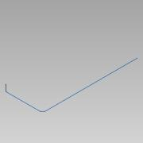 | Normal |  |  |  | 2
6.1 | 0000-710-001 | - |  | 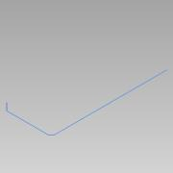 | Normal | PE100 Pipe - DN100-Ø125,0xSDR17 L=43404 | PE100 |  | 1 | 125,0 | 7,4 | 43404
6.2 | 0000-710-031 | - |  |  | Purchased | Elbow 90° Segmented - DN100-Ø125 - SDR17 | PE100 |  | 1 | 125,0 | 7,4 | 1
6.3 | 0000-710-010 |  |  |  | Purchased | Stub end - DN100/Ø125 - SDR17 | PE100 |  | 1
6.4 | 0000-710-020 |  |  |  | Purchased | Flange - DN100/Ø125 - PN10/16 | PP |  | 1
6.5 | 0000-710-031 | - |  |  | Purchased | Elbow 45° Segmented - DN100-Ø125 - SDR17 | PE100 |  | 2 | 125,0 | 7,4 | 1
7 | 2500-99-BM004-01 |  |  |  | Normal | From Digester To Bio-Mix 01 |  |  | 2
7.1 | 0000-710-001 | - |  |  | Normal | PE100 Pipe - DN200-Ø225,0xSDR11 L=85411 | PE100 |  | 1 | 225,0 | 20,5 | 85411
7.2 | 0000-710-031 | - |  | 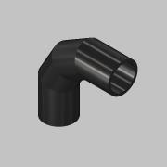 | Purchased | Elbow 90° Segmented - DN200-Ø225 - SDR11 | PE100 |  | 1 | 225,0 | 20
7.3 | 0000-710-010 |  |  |  | Purchased | Stub end - DN200/Ø225 - SDR11 | PE100 |  | 1
7.4 | 0000-710-020 | - |  | 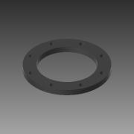 | Purchased | Flange - DN200/Ø225 - PN10 | PP |  | 1
7.5 | 0000-710-031 | - |  | 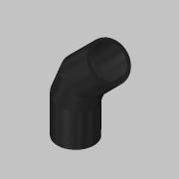 | Purchased | Elbow 45° Segmented - DN200-Ø225 - SDR11 | PE100 |  | 4 | 225,0 | 20 | 1
8 | 2500-99-BM027-01 |  |  | 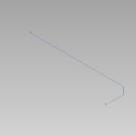 | Normal |  |  |  | 2
8.1 | 0000-710-001 | - |  |  | Normal | PE100 Pipe - DN100-Ø125,0xSDR17 L=117526 | PE100 |  | 1 | 125,0 | 7,4 | 117526
8.2 | 0000-710-031 | - |  |  | Purchased | Elbow 90° Segmented - DN100-Ø125 - SDR17 | PE100 |  | 2 | 125,0 | 7,4 | 1
8.3 | 0000-710-031 | - |  |  | Purchased | Elbow 45° Segmented - DN100-Ø125 - SDR17 | PE100 |  | 2 | 125,0 | 7,4 | 1
8.4 | 0000-710-010 |  |  |  | Purchased | Stub end - DN100/Ø125 - SDR17 | PE100 |  | 2
8.5 | 0000-710-020 |  |  |  | Purchased | Flange - DN100/Ø125 - PN10/16 | PP |  | 2
9 | 2500-99-HW097-01 |  |  |  | Normal |  |  |  | 1
9.1 | 0000-720-001 | - |  |  | Normal | Pipe-P235GH Welded - DN50-Ø60,3x2,9 L=115295 | CS 1.0345 - P235GH |  | 1 | 60,3 | 2,9 | 115295
9.2 | 0000-720-041 | - |  |  | Purchased | T-Fitting-P235GH-Welded - DN150-DN50 | CS 1.0345 - P235GH |  | 1 |  | 3,200 mm
10 | 2500-99-HW097-02 |  |  |  | Normal |  |  |  | 1
10.1 | 0000-720-001 | - |  |  | Normal | Pipe-P235GH Welded - DN50-Ø60,3x2,9 L=114999 | CS 1.0345 - P235GH |  | 1 | 60,3 | 2,9 | 114999
10.2 | 0000-720-041 | - |  |  | Purchased | T-Fitting-P235GH-Welded - DN150-DN50 | CS 1.0345 - P235GH |  | 1 |  | 3,200 mm

